Instructions
The MLHU Risk Management Process

Objectives
Identify
Evaluate
Assess
3.Open <Risk Register Tab> and input risk by entering ID # and Date Identified
Start
1.0 Consult the MLHU Risk Management Workbook
6.0 System automatically calculates "Risk Rating" as High, Medium, or Low
7.0 Enter Key Mitigation Strategies ("Controls")
8.0 Evaluate (Update) Current Strength of Controls
Consult <Risk Scales Tab>
2.0 Review the Risk Management Process <Objectives Tab>
5.0 Enter a description of the risk.
4.0 Select most appropriate Risk Category Consult <Risk Categories Tab>
End
Monitor & Report
5.0 Assess the impact and likelihood of each risk. Consult <Risk Scales Tab>
9.0 Determine level of residual risk for the current quarter based on the current strength of controls in place
Consult <Risk Scales Tab>
10.0 Enter (Update) the Most Responsible Leader to implement mitigation strategies for the current quarter

Objectives
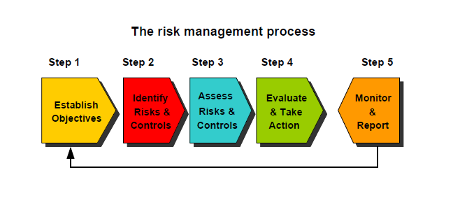

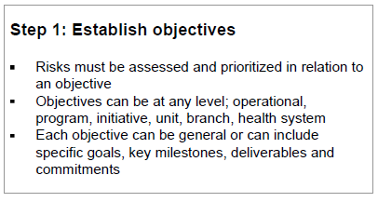
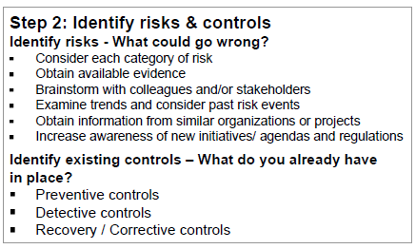
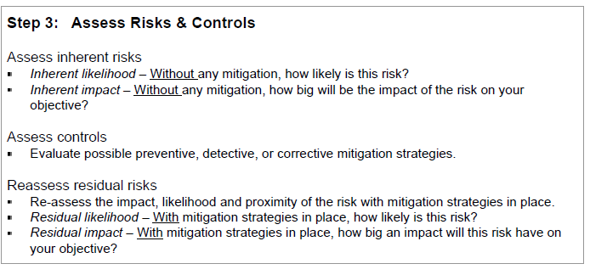
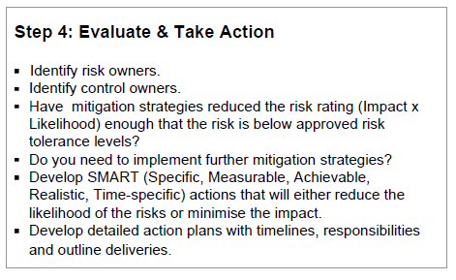
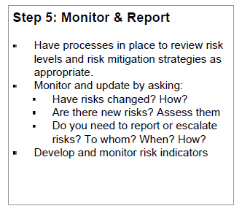



Risk Charts
RISK CHARTS

 | Summary Tables and Charts:

 |  | Risk Response Tactic |  | Total
 |  | Risk Priority |  | Count | Percent
 |  | High |  | 7 | 70%
 |  | Medium |  | 3 | 30%
 |  | Low |  | 0 | 0%
 |  | Total |  | 10 | 100%

 |  | Note that the charts are based on the subtotals and exclude risks that were "Not Assessed (NA)", except Risk Priority
Risk Priority - All Risks

 | Other Summary Information:

 |  | Probability Summary |  | Total |  | Impact Summary |  | Total
 |  | Score | Rank | Count | Percent | Score | Rank | Count | Percent
 |  | 1 | Very unlikely to occur (Remote) | 0 | 0% | 1 | 1) Negligible | 0 | 0%
 |  | 2 | Unlikely to occur (Unlikely) | 0 | 0% | 2 | 2) Minor | 2 | 20%
 |  | 3 | Even change of occurring (Possible) | 1 | 10% | 3 | 3) Moderate | 3 | 30%
 |  | 4 | Likely to occur (Likely) | 6 | 60% | 4 | 4) Serious | 2 | 20%
 |  | 5 | Very likely to occur (Expected) | 3 | 30% | 5 | 5) Critical | 3 | 30%
 |  | Total |  | 10 | 100% | Total |  | 10 | 100%
Probability Summary
Impact Summary

 | Status Updates

 |  | Residual Risk Trending |  | Total
 |  | Score | Rank | Count | Percent
 |  | Dec | Decrease | #REF! | #REF!
 |  | NC | No Change | #REF! | #REF!
 |  | Inc | Increase | #REF! | #REF!
 |  | Subtotal |  | #REF! | #REF!
 |  | Not Assessed (NA) |  | #REF! | #REF!
 |  | Total |  | #REF!

 |  | Note that the chart is based on the subtotal and exclude risks that were "Not Assessed (NA)"
Residual Risk Trending

